RLOC
RLOC - Guidance Line Facility |  |  | TTM Utilization Data
 |  |  | Low Usage | High Usage | Median Usage | Average Usage
 | Commitment: |  | $11,840,986 | $21,169,823 | $14,958,379 | $16,061,038
 |  | Outstanding: | $9,268,168 | $13,183,552 | $10,896,741 | $11,154,410
Monthly Balances
Jul-24 | $15,394,241 | $10,446,004 |  |  |  |  | 68%
Aug-24 | $20,657,033 | $13,183,552 |  |  |  |  | 64%
Sep-24 | $21,169,823 | $12,850,402 |  |  |  |  | 61%
Oct-24 | $20,806,714 | $11,730,952 |  |  |  |  | 56%
Nov-24 | $18,435,914 | $13,127,384 |  |  |  |  | 71%
Dec-24 | $16,874,951 | $11,751,676 |  |  |  |  | 70%
Jan-25 | $14,522,517 | $9,770,459 |  |  |  |  | 67%
Feb-25 | $13,857,610 | $9,508,671 |  |  |  |  | 69%
Mar-25 | $14,102,190 | $9,268,168 |  |  |  |  | 66%
Apr-25 | $13,229,489 | $11,347,477 |  |  |  |  | 86%
May-25 | $11,840,986 | $10,434,085 |  |  |  |  | 88%
Jun-25 | $11,840,986 | $10,434,085 |  |  |  |  | 88%

 |  |  |  |  |  | Min: | 56%
 |  |  |  |  |  | Max: | 88%
 |  |  |  |  |  | Avg: | 71%

RLOC - Borrowing Base Facility |  |  | TTM Utilization Data
 |  |  | Low Usage | High Usage | Median Usage | Average Usage
 | Commitment: |  | $8,452,915 | $15,992,289 | $13,388,814 | $12,111,223
 |  | Net Outstanding: | $2,824,920 | $8,013,156 | $5,658,912 | $5,310,411
Monthly Balances
 | Commitment: | Net Outstanding:
43008 | 1 | 1
43039 | 9152731 | 2543817.08
43069 | 9152731 | 3305359.42
43100 | 12932189 | 4391912.23
43131 | 11444189 | 4907252.51
43159 | 11168189 | 7022142.16
43190 | 18968731 | 10090603.56
43220 | 21196049 | 11170287.52
43251 | 24908937 | 10951372.02
43281 | 20325779 | 11888927.93
43312 | 20958979 | 10774286.37
43343 | 21672649 | 10995293
Monthly Balances
Nov-24 | $10,504,115 | $4,454,508 |  |  |  |  | 42%
Dec-24 | $8,956,915 | $2,877,102 |  |  |  |  | 32%
Jan-25 | $8,956,915 | $2,895,989 |  |  |  |  | 32%
Feb-25 | $8,452,915 | $2,824,920 |  |  |  |  | 33%
Mar-25 | $8,452,915 | $2,833,827 |  |  |  |  | 34%
Apr-25 | $14,411,627 | $6,997,804 |  |  |  |  | 49%
May-25 | $13,378,907 | $4,923,215 |  |  |  |  | 37%
Jun-25 | $15,992,289 | $8,013,156 |  |  |  |  | 50%
Jul-25 | $14,715,317 | $7,149,666 |  |  |  |  | 49%
Aug-25 | $14,057,019 | $6,808,478 |  |  |  |  | 48%
Sep-25 | $14,057,019 | $7,551,657 |  |  |  |  | 54%
Oct-25 | $13,398,720 | $6,394,608 |  |  |  |  | 48%

 |  |  |  |  |  | Min: | 32%
 |  |  |  |  |  | Max: | 54%
 |  |  |  |  |  | Avg: | 42%

Sensitivity Analysis
SENSITIVITY ANALYSIS
 | Reduction in Unit Closings |  |  |  |  |  |  | Breakeven
 | Actual | 10.00% | 15.00% | 20.00% | 25.00% | 30.00% | 40.00% | 0.00%
Closings: | 0 | 0 | 0 | 0 | 0 | 0 | 0 | 0
Revenue: | 0 | 0 | 0 | 0 | 0 | 0 | 0 | 0
Gross Profit: | 0 | 0 | 0 | 0 | 0 | 0 | 0 | 0
GPM:
Net Profit: | 0 | 0 | 0 | 0 | 0 | 0 | 0 | 0 | Use Goal Seek Function to Conclude Breakeven %
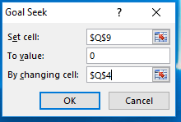
NPM: | 0.0% | 0.0% | 0.0% | 0.0% | 0.0% | 0.0% | 0.0% | 0.0%

ASP: | #DIV/0!
GP/Unit: | #DIV/0!
NP/Unit: | #DIV/0!
Oper. Cost: | 0

Market Snapshot
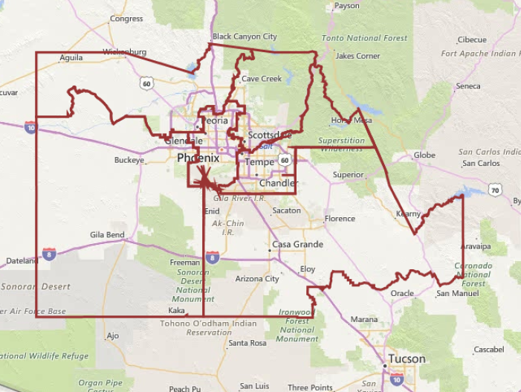
MARKET SNAPSHOT
(MetroStudy) | MSA | MARKET AREAS

Market Area | PHOENIX | C VALLEY | NE VALLEY | NW VALLEY | SE VALLEY | SW VALLEY | PINAL CTY
Annual Starts | 16,527 | 1,941 | 1,125 | 3,088 | 5,827 | 2,663 | 1,883 |  | 16,527 | 0
Annual Closings | 15,255 | 1,557 | 823 | 3,029 | 5,702 | 2,364 | 1,780 |  | 15,255 | 0
Total Inventory | 11,125 | 1,549 | 1,505 | 1,756 | 3,615 | 1,576 | 1,124 |  | 11,125 | 0
MOS - 4Q16 | 8.8 | 11.9 | 21.9 | 7.0 | 7.6 | 8.0 | 7.6 | Tot Inv/Ann Clos/12
MOS - 3Q16 | 9.6 | 13.2 | 22.7 | 7.3 | 8.6 | 9.2 | 7.6
MOS - 2Q16 | 10.0 | 14.7 | 24.4 | 7.4 | 9.5 | 8.3 | 7.7
MOS - 1Q16 | 10.0 | 13.3 | 20.5 | 8.1 | 9.8 | 8.7 | 8.0
MOS - 4Q15 | 10.2 | 14.8 | 18.3 | 9.0 | 9.8 | 8.5 | 8.0
 | PHOENIX | C VALLEY | NE VALLEY | NW VALLEY | SE VALLEY | SW VALLEY | PINAL CTY
Finished Vacant Units (FV) | 2037 | 327 | 260 | 324 | 410 | 498 | 218 |  | 2,037 | 0
MOS - 4Q16 | 1.60 | 2.52 | 3.79 | 1.28 | 0.86 | 2.53 | 1.47 | FV/Ann Clos/12
MOS - 3Q16 | 1.64 | 2.20 | 3.80 | 1.00 | 1.12 | 2.73 | 1.43
MOS - 2Q16 | 1.87 | 2.93 | 3.57 | 1.50 | 1.31 | 2.38 | 1.89
MOS - 1Q16 | 1.86 | 2.81 | 4.13 | 1.26 | 1.25 | 2.62 | 1.83
MOS - 4Q15 | 1.90 | 3.05 | 4.08 | 1.35 | 1.39 | 2.58 | 1.51
 | PHOENIX | C VALLEY | NE VALLEY | NW VALLEY | SE VALLEY | SW VALLEY | PINAL CTY
Vacant Developed Lots (VDL) | 48,405 | 1,952 | 3,509 | 6,140 | 9,321 | 10,053 | 17,430 |  | 48,405 | 0
MOS - 4Q16 | 35.1 | 12.1 | 37.4 | 23.9 | 19.2 | 45.3 | 111.1 | VDL/Ann Starts/12
MOS - 3Q16 | 36.2 | 14.6 | 35.3 | 25.0 | 20.6 | 47.7 | 112.3
MOS - 2Q16 | 37.0 | 15.3 | 35.8 | 26.6 | 20.7 | 52.7 | 110.5
MOS - 1Q16 | 38.8 | 18.8 | 42.5 | 27.2 | 21.2 | 55.6 | 111.3
MOS - 4Q15 | 42.9 | 23.9 | 47.0 | 28.4 | 23.2 | 63.7 | 118.9
Total inventory MOS equilibrium = 8 months
FV inventory MOS equilibirum = 2 months
VDL inventory MOS equilibrium = 24 months

 | Historic Housing Activity Reports

